Vehicle Types By class FWHA
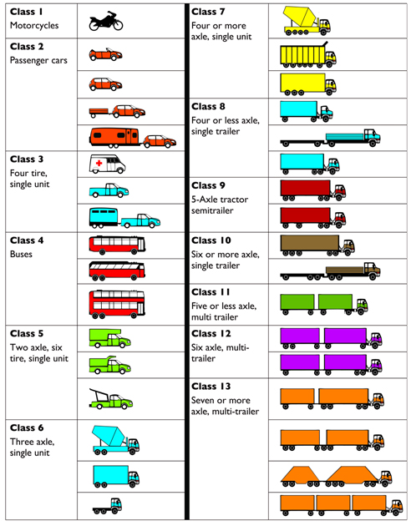
FHWA VEHICLE CLASSIFICATION

